Rankings
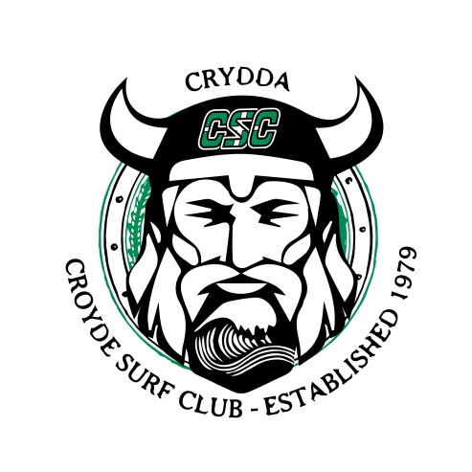
 | AL Ran | Redwood | Steve McKewan | Total | Ranking
U10
Louie Arrowsmith | 1000 | 730 |  | 1730 | 2
Frank Gray | 860 | 1000 |  | 1860 | 1
Caleb Martin | 730 | 500 |  | 1230 | 5
Chenson Clay | 670 | 670 |  | 1340 | 4
Fynn Gillespie | 610 | 860 |  | 1470 | 3
Gideon Tomlinson | 583 | 555 |  | 1138 | 6
Finlay James |  | 555 |  | 555 | 7
Dylan Robinson |  | 500 |  | 500 | 8
Luke Selvy |  | 500 |  | 500 | 8
Heath Gillespie |  | 450 |  | 450 | 10
Henry Jones |  | 450 |  | 450 | 10
Ziggy Robinson |  | 450 |  | 450 | 10

U12G
Holly Thompson |  | 1000 |  | 1000 | 1
Ella Crossland |  | 860 |  | 860 | 2

U12
Jake Arrowsmith | 1000 | 1000 |  | 2000 | 1
Jody Stanier |  | 860 |  | 860 | 2

U14
Freedom Wall | 1000 | 1000 |  | 2000 | 1
Arnie Buckley | 860 |  |  | 860 | 2

U14 G
Lily Mandeville | 1000 | 1000 |  | 2000 | 1
Amy Dyer |  | 860 |  | 860 | 2

U16
Storm Wall | 1000 |  |  | 1000 | 1
Max Davies | 860 |  |  | 860 | 2
Will Gale | 730 |  |  | 730 | 3
Bohdan Martin | 670 |  |  | 670 | 4
Joe Barker | 610 |  |  | 610 | 5

U16 G
Esme French | 1000 |  |  | 1000 | 1
Georgia Buckley | 860 |  |  | 860 | 2
Evie Preston | 730 |  |  | 730 | 3

U18
Alex Gibson | 1000 |  |  | 1000 | 1
Will Bailey | 860 |  |  | 860 | 2

Masters
Carlo Ferrero | 1000 |  |  | 1000 | 1
Mike Tomlinson | 860 |  |  | 860 | 2
Jon Busby Foster | 730 |  |  | 730 | 3
Steve Arrowsmith | 670 |  |  | 670 | 4

Veterans
Darren Burrett | 1000 |  |  | 1000 | 4
Lee Parkins | 860 |  | 1000 | 1860 | 1
Matt Knight | 730 |  | 860 | 1590 | 2
Gary Clay | 670 |  | 730 | 1400 | 3
Andy Wall | 610 |  |  | 610 | 5

Women
Andrea Lawrence | 1000 |  |  | 1000 | 1

Open
Beau Bromham | 1000 |  |  | 1000 | 3
Alex Gibson | 860 |  | 860 | 1720 | 1
Ed Knight | 730 |  |  | 730 | 5
Storm Wall | 670 |  | 610 | 1280 | 2
Trystan Bransby | 610 |  |  | 610 | 8
Lyndon Wake |  |  | 1000 | 1000 | 3
Cory Lawson |  |  | 730 | 730 | 5
Damon Bevridge |  |  | 670 | 670 | 7
Harry Jellicoe |  |  | 583 | 583 | 9
Nick Rees |  |  | 528 | 528 | 11
Jamie Gatley |  |  | 555 | 555 | 10

